Sheet1
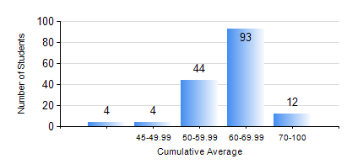
 |  |  | KWAME NKRUMAH UNIVERSITY OF SCIENCE AND TECHNOLOGY, KUMASI Department of Mechanical Engineering

 |  |  | BSC. INDUSTRIAL ENG.

 |  |  | COMPREHENSIVE RECORD OF EXAMINATION RESULTS

 |  |  | RESULTS OF YEAR 1 SECOND SEMESTER, 2020/2021 ACADEMIC YEAR

 | Sn | Course Code |  | Course Name | Credit Hours | Min. Mark | Max. Mark | Avg. Mark | Std. Dev. | No. Passed | No. Trailed | No. (Df) | No. (I) | No. (I*) | No. Tagged(I,I*,Df) | Total
 | 1. | EE 152 |  | BASIC ELECTRONICS | 2 | 37 | 71 | 55 | 7.97 | 156 | 1 | 0 | 0 | 0 | 0 | 157
 | 2. | ENGL 158 |  | COMMUNICATION SKILLS II | 2 | 29 | 84 | 63 | 8.76 | 156 | 1 | 0 | 0 | 0 | 0 | 157
 | 3. | IE 174 |  | FIRST YEAR DESIGN PROJECT | 2 | 7 | 83 | 68 | 10.01 | 154 | 3 | 0 | 0 | 0 | 0 | 157
 | 4. | MATH 152 |  | CALCULUS WITH ANALYSIS | 4 | 56 | 91 | 74 | 7.51 | 157 | 0 | 0 | 0 | 0 | 0 | 157
 | 5. | ME 160 |  | ENGINEERING DRAWING | 3 | 40 | 74 | 55 | 8.31 | 157 | 0 | 0 | 0 | 0 | 0 | 157
 | 6. | ME 164 |  | STATICS OF SOLID MECHANICS | 2 | 40 | 90 | 67 | 11.22 | 157 | 0 | 0 | 0 | 0 | 0 | 157
 | 7. | ME 168 |  | COMPUTER PROGRAMMING FOR ENGINEERS | 2 | 16 | 90 | 57 | 15.13 | 153 | 4 | 0 | 0 | 0 | 0 | 157

